Notes
This spreadsheet tracks the items published in Data Is Plural, a weekly newsletter highlighting useful and curious datasets. To sign up for Data Is Plural, click the link below.
https://tinyletter.com/data-is-plural
The spreadsheet is published under a Creative Commons Attribution - Share Alike 4.0 International license: https://creativecommons.org/licenses/by-sa/4.0/
This spreadsheet is read-only. If you want an editable copy for yourself, you can download it via the File menu:
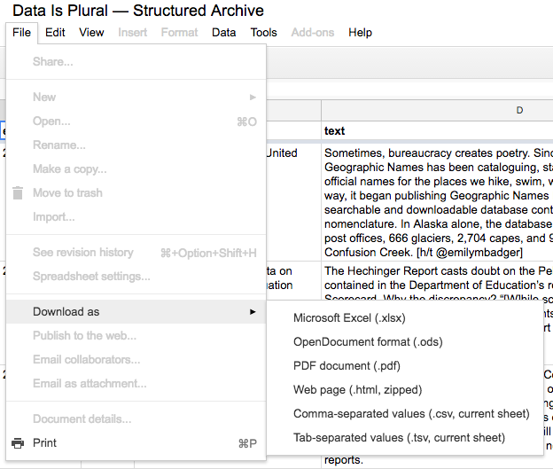
If you can't find the File menu, you may be on the HTML view; click the link below to load a view in which the File menu is available:
https://docs.google.com/spreadsheets/d/1wZhPLMCHKJvwOkP4juclhjFgqIY8fQFMemwKL2c64vk/edit#gid=0
There is now also a Markdown-formatted archive of past editions here:
https://github.com/data-is-plural/newsletter-archive

